Sheet1
...
 |  | 15 | 14
 |  | 32768 | 16384
 | character | x | x
32 | 0x20 | 0 | 0
33 | 0x21 | 0 | 0
34 | 0x22 | 0 | 0
35 | 0x23 | 0 | 0
36 | 0x24 | 0 | 0
37 | 0x25 | 0 | 0
38 | 0x26 | 0 | 0
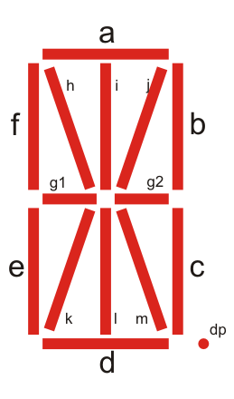
39 | 0x27 | 0 | 0
40 | 0x28 | 0 | 0
41 | 0x29 | 0 | 0
42 | 0x2A | 0 | 0
43 | 0x2B | 0 | 0
44 | 0x2C | 0 | 0
45 | 0x2D | 0 | 0
46 | 0x2E | 0 | 0
47 | 0x2F | 0 | 0
48 | 0x30 | 0 | 0
49 | 0x31 | 0 | 0
50 | 0x32 | 0 | 0
51 | 0x33 | 0 | 0
52 | 0x34 | 0 | 0
53 | 0x35 | 0 | 0
54 | 0x36 | 0 | 0
55 | 0x37 | 0 | 0
56 | 0x38 | 0 | 0
57 | 0x39 | 0 | 0
58 | 0x3A | 0 | 0
59 | 0x3B | 0 | 0
60 | 0x3C | 0 | 0
61 | 0x3D | 0 | 0
62 | 0x3E | 0 | 0
63 | 0x3F | 0 | 0
64 | 0x40 | 0 | 0
65 | 0x41 | 0 | 0
66 | 0x42 | 0 | 0
67 | 0x43 | 0 | 0
68 | 0x44 | 0 | 0
69 | 0x45 | 0 | 0
70 | 0x46 | 0 | 0
71 | 0x47 | 0 | 0
...

